Sheet1
ON XXTIPAUTO(oracle obs na may mainenance for dates ng automatic data process like extraction, conversion)
CLICK REQUEST SET

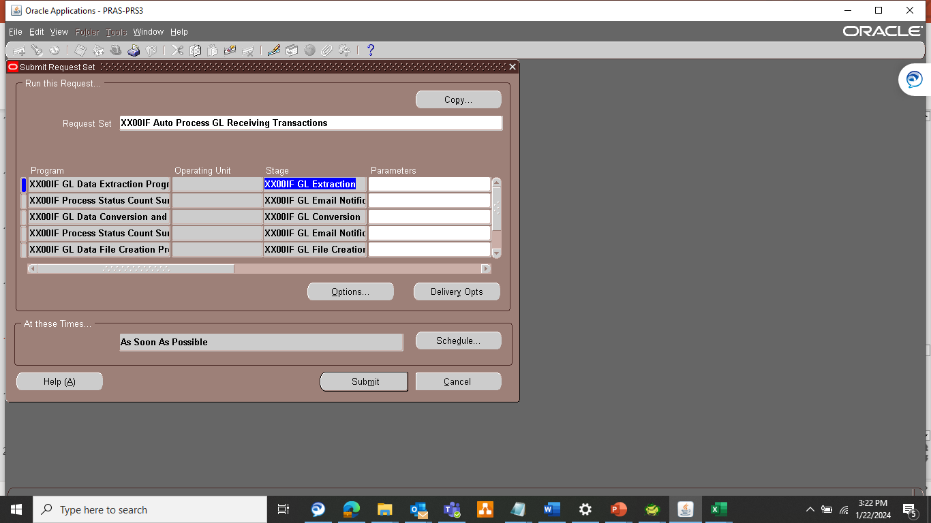

 | click AUTO PROCESS GL RECEIVING TRANSACTIONS

 | THEN CLICK lang sa paramaeters ng GL DATA EXTRACTION

 | THEN SET OK LANG PERO BAGUHN YUNG DATE SA CURRENT DATE

 | THEN SA OTHER request is click OK nalang

 | THEN click schedule

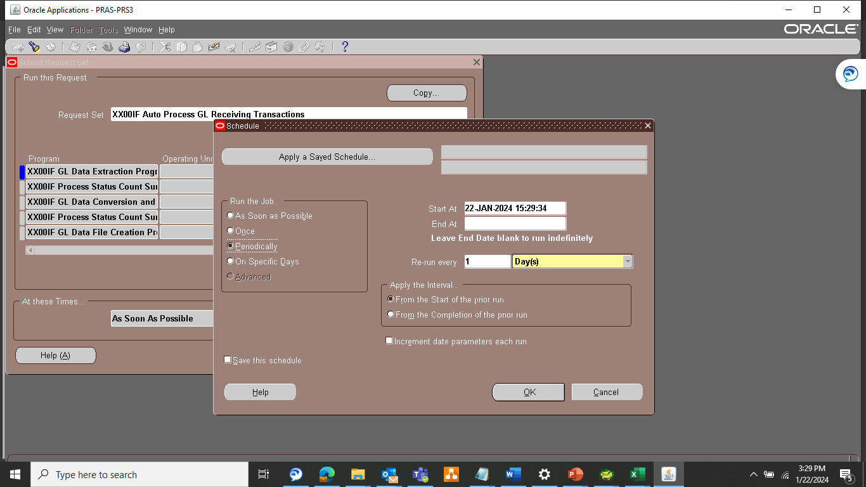

 | CHOOSE PERIODICALLY

 | START AT: ( DEPENDE SA EMAIL) PERO ALWAYS 3 AM
 | END AT: (DEPENDE DIN SA EMAIL PERO LAST DAY OF MONTH)

 | RE-RUN EVER Y 1 DAY

 | FROM THE START OF THE PRIOR RUN

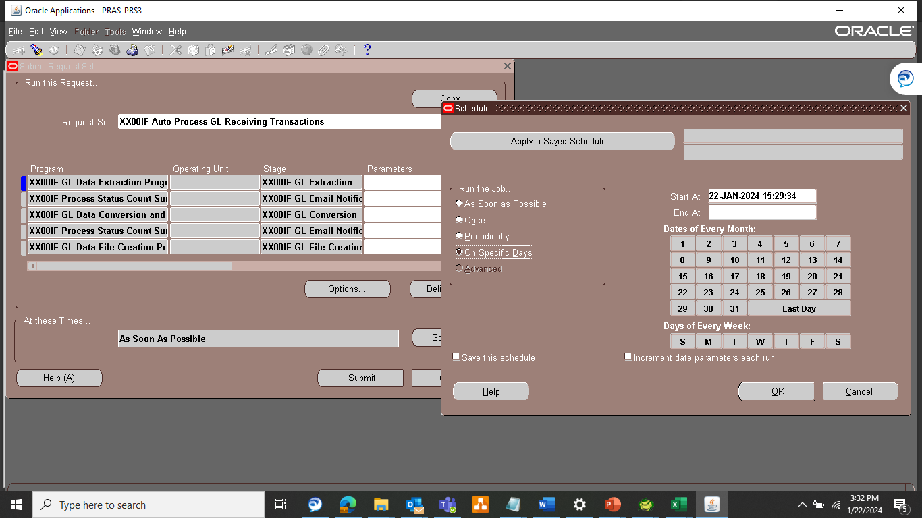

 | Then on last 7 days of month magset up ng pang 4:30 pm

